Qorners
Create Original Square
Create Original Rectangle

1) Click either the 'Create Original Square' or 'Create Original Rectangle' Button.
2) Navigate and select your Square or Rectangle image to add and create.'
The final image will be added to the same folder as this file named: newPic.png

Overlays
Choose one of 3 options below (These will always create a unique/random image)

1
RIGHT CLICK ON EACH COLOR BELOW AND PICK COLORS USING THE FILL COLOR ICON | CLICK ANY OF THE BELOW COLOR GROUPS TO USE
Color 1
Color 2
Color 3
Color 4

Create New Picture
 | SHAPE | Rectangle | Set Shape of new Camo overlay
 | SIZE | Large | Set Size of new Camo overlay
2

Create New Picture
 | SHAPE | Rectangle | Set Shape of new Martrix overlay

3
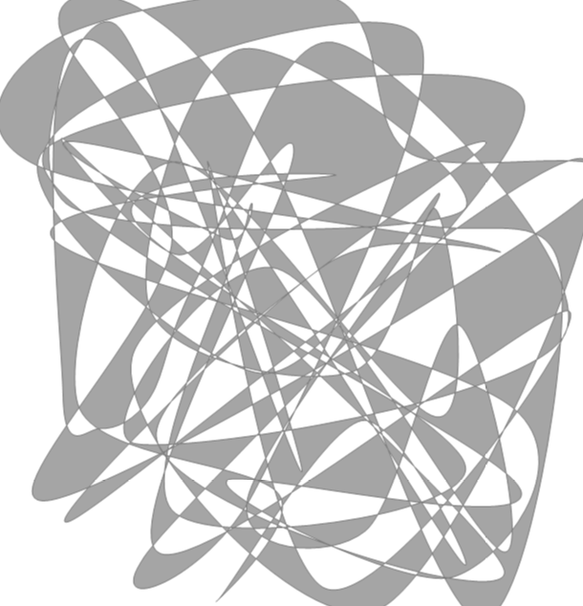

Create New Picture
 | CURVES | 100 | Set number of curves in new overlay
 | SIZE | 400 | Set Size of new overlay

BlendImages
Blend New File
Export File
Use Slider to set Transparency Percent | Transparency % |  | Set Image Shape |  |  |  | CREATE
 | PERCENT | 80 | SHAPE | Square | 80% | Chart 29 | 1) Use the slider or manual enter the Transparency percent
 |  |  |  |  |  |  | 2) Choose the shape of the final image (Square or Rectangle)
 |  |  |  |  |  |  | 3) Click the 'Blend New File' button
 |  |  |  |  |  |  | 4) Navigate to your meme to add an overlay to
 |  |  |  |  |  |  | 5) Navigate to the overlay to blend
 |  |  |  |  |  |  | AJUST
 |  |  |  |  |  |  | NOTE: you can adjust the transparency after the blended image shows on the screen
 |  |  |  |  |  |  | EXPORT
 |  |  |  |  |  |  | 1) Click the 'Export File' button to create your final blended meme

 |  |  |  |  |  |  | THIS PAGE IS THE MEME BLENDER
 |  |  |  |  |  |  | USE ANY IMAGE AND OVERLAY

